Location
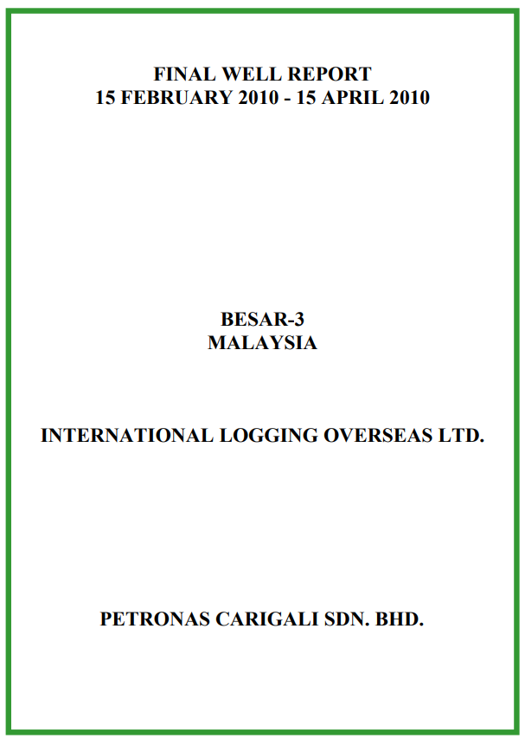
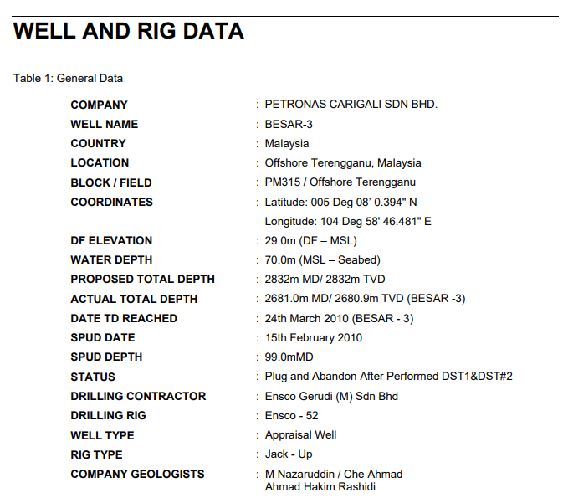
Well Name | Lat | Long | KB (m) | WD (m)
Besar-3 | 005 Deg 08' 0.394"N | 104 Deg 58' 46.481"E | 29 | 70

Formation Tops
Formation Tops (Markers)
Formation Tops Name | Depth m MDDF | Depth MTVDSS | COLOURS in ROKDOC
H-50 | 696 | 667
I-68 | 1128 | 1099
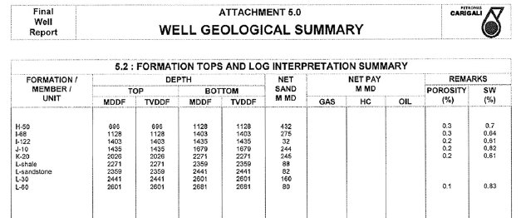
I-122 | 1403 | 1374
J-10 | 1435 | 1406
K-20 | 2026 | 1997
L-Shale | 2271 | 2242
L-Sandstone | 2359 | 2330
L-30 | 2441 | 2412
L-60 | 2601 | 2572

,

Pressure Data
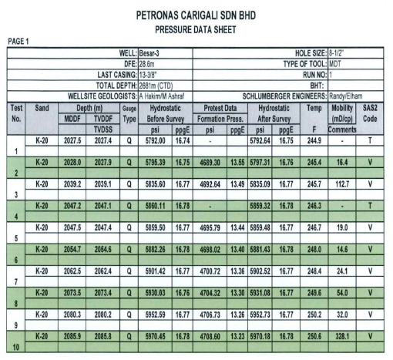
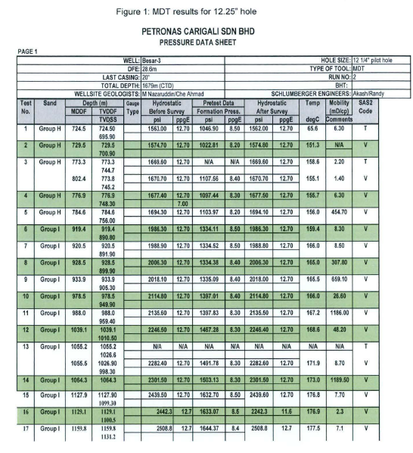
 |  |  | Pressure Data |  |  |  |  |  |  | name the pressure set sensibly, e.g. 'RFT', 'MDT_run1', split up as necessary etc
m MDDF | m TVDDF | m TVDSS | Fm Pressure (psi) | Fm pressure (ppg) | Data Type | Quality | Temp deg C | Mobility | Remark
729.5 | 729.5 | 700.9 | 1022.81 | 8.2 | MDT | Good | 151.3 | NA | Valid | Run#2
802.4 | 773.8 | 745.2 | 1107.56 | 8.4 | MDT | Good | 155.1 | 1.4 | Valid | Run#2
776.9 | 776.9 | 748.3 | 1097.44 | 8.3 | MDT | Good | 155.7 | 6.3 | Valid | Run#2
784.6 | 784.6 | 756 | 1103.97 | 8.2 | MDT | Good | 156 | 454.7 | Valid | Run#2
919.4 | 919.4 | 890.8 | 1334.11 | 8.5 | MDT | Good | 159.4 | 8.3 | Valid | Run#2
920.5 | 920.5 | 891.9 | 1334.52 | 8.5 | MDT | Good | 166 | 8.5 | Valid | Run#2
928.5 | 928.5 | 899.9 | 1334.38 | 8.4 | MDT | Good | 165 | 307.8 | Valid | Run#2
978.5 | 978.5 | 949.9 | 1397.01 | 8.4 | MDT | Good | 166 | 26.6 | Valid | Run#2
988 | 988 | 959.4 | 1397.83 | 8.3 | MDT | Good | 167.2 | 1186 | Valid | Run#2
1039.1 | 1039.1 | 1010.5 | 1467.28 | 8.3 | MDT | Good | 168.6 | 48.2 | Valid | Run#2
1055.5 | 1055.5 | 1026.9 | 1491.78 | 8.3 | MDT | Good | 171.9 | 8.7 | Valid | Run#2
1064.3 | 1064.3 | 1035.7 | 1503.13 | 8.3 | MDT | Good | 173 | 1189.5 | Valid | Run#2
1127.9 | 1127.9 | 1099.3 | 1632.7 | 8.5 | MDT | Good | 7.7 | 176.8 | Valid | Run#2
1129.1 | 1129.1 | 1100.5 | 1633.07 | 8.5 | MDT | Good | 176.9 | 2.3 | Valid | Run#2
1159.8 | 1159.8 | 1131.2 | 1644.37 | 8.4 | MDT | Good | 177.5 | 7.1 | Valid | Run#2
1164.5 | 1164.5 | 1135.9 | 1715.24 | 8.6 | MDT | Good | 180.6 | 0.6 | Valid | Run#2
1177.1 | 1177.1 | 1148.5 | 1676.37 | 8.6 | MDT | Good | 180.6 | 14.3 | Valid | Run#2
1234.3 | 1234.3 | 1205.7 | 1805.64 | 8.8 | MDT | Good | 184.7 | 615.4 | Valid | Run#2
1235.1 | 1235.1 | 1206.5 | 1805.7 | 8.8 | MDT | Good | 184.3 | 1805.77 | Valid | Run#2
1246.7 | 1246.7 | 1218.1 | 1810.28 | 8.7 | MDT | Good | 184.9 | 3.9 | Valid | Run#2
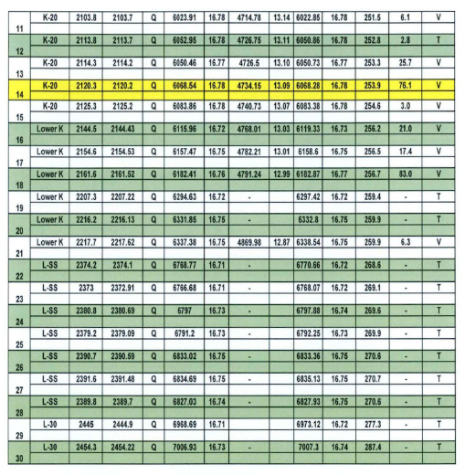
1251.5 | 1251.5 | 1222.9 | 1808.46 | 8.7 | MDT | Good | 185.4 | 1808.46 | Valid | Run#2
1253.3 | 1253.3 | 1224.7 | 1808.79 | 8.7 | MDT | Good | 184.7 | 11.2 | Valid | Run#2
1257.1 | 1257.1 | 1228.5 | 1809.27 | 8.6 | MDT | Good | 184.7 | 28.1 | Valid | Run#2
1347 | 1347 | 1318.4 | 1992.5 | 8.9 | MDT | Good | 192.1 | 276.3 | Valid | Run#2
1348 | 1348 | 1319.4 | 1992.55 | 8.9 | MDT | Good | 192.4 | 205.3 | Valid | Run#2
1353.5 | 1353.5 | 1324.9 | 1993.26 | 8.8 | MDT | Good | 192.5 | 160.8 | Valid | Run#2
1387.2 | 1387.2 | 1358.6 | 2042.16 | 8.8 | MDT | Good | 192.6 | 83.8 | Valid | Run#2
1388.7 | 1388.7 | 1360.1 | 2043.07 | 8.8 | MDT | Good | 193.5 | 58.5 | Valid | Run#2
1414 | 1414 | 1385.4 | 2084.07 | 8.8 | MDT | Good | 194.2 | 4.8 | Valid | Run#2
1421.5 | 1421.5 | 1392.9 | 2094.02 | 8.8 | MDT | Good | 195.2 | 13.6 | Valid | Run#2
1497.7 | 1497.7 | 1469.1 | 2247.14 | 9.0 | MDT | Good | 200.4 | 8.6 | Valid | Run#2
1501.2 | 1501.2 | 1472.6 | 2252.7 | 9.0 | MDT | Good | 200.9 | 3.5 | Valid | Run#2
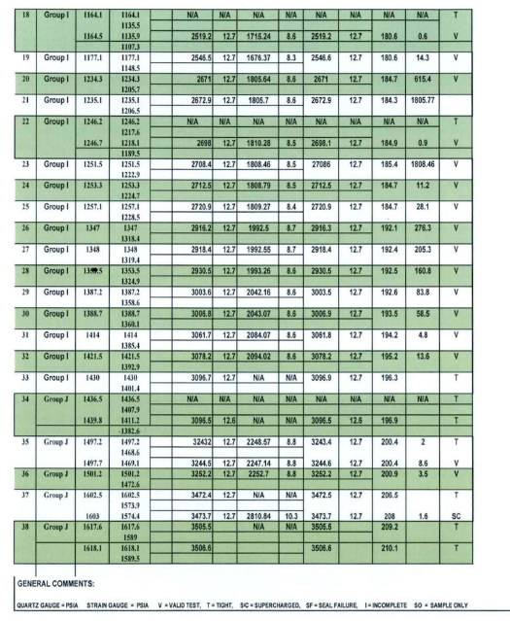
2028 | 2028 | 1999.4 | 4689.3 | 13.7 | MDT | Good | 245.4 | 16.4 | Valid | Run#1
2039.2 | 2039.2 | 2010.6 | 4692.64 | 13.7 | MDT | Good | 245.7 | 112.7 | Valid | Run#1
2047.5 | 2047.5 | 2018.9 | 4695.79 | 13.6 | MDT | Good | 246.7 | 19 | Valid | Run#1
2054.7 | 2054.7 | 2026.1 | 4698.02 | 13.6 | MDT | Good | 248 | 14.6 | Valid | Run#1
2062.5 | 2062.5 | 2033.9 | 4700.72 | 13.5 | MDT | Good | 248.4 | 24.1 | Valid | Run#1
2073.5 | 2073.5 | 2044.9 | 4704.32 | 13.5 | MDT | Good | 249.6 | 54 | Valid | Run#1
2080.3 | 2080.3 | 2051.7 | 4706.73 | 13.4 | MDT | Good | 250.2 | 32 | Valid | Run#1
2085.9 | 2085.9 | 2057.3 | 4708.6 | 13.4 | MDT | Good | 250.6 | 328.1 | Valid | Run#1
2103.8 | 2103.8 | 2075.2 | 4714.78 | 13.3 | MDT | Good | 251.5 | 6.1 | Valid | Run#1
2114.3 | 2114.3 | 2085.7 | 4726.5 | 13.3 | MDT | Good | 253.3 | 2.8 | Valid | Run#1
2120.3 | 2120.3 | 2091.7 | 4734.15 | 13.3 | MDT | Good | 253.9 | 25.7 | Valid | Run#1
2125.3 | 2125.3 | 2096.7 | 4740.73 | 13.3 | MDT | Good | 254.6 | 76.4 | Valid | Run#1
2144.5 | 2144.5 | 2115.9 | 4768.01 | 13.2 | MDT | Good | 256.2 | 3 | Valid | Run#1
2154.6 | 2154.6 | 2126 | 4782.21 | 13.2 | MDT | Good | 256.5 | 21 | Valid | Run#1
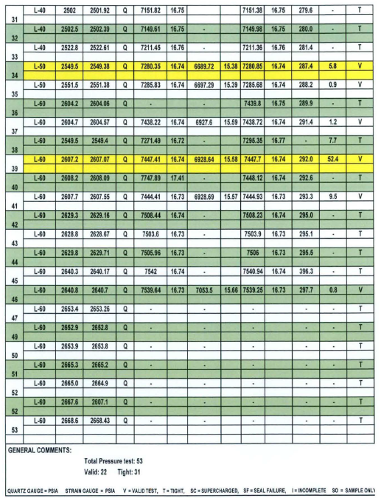
2161.6 | 2161.6 | 2133 | 4791.24 | 13.2 | MDT | Good | 256.7 | 17.4 | Valid | Run#1
2217.7 | 2217.7 | 2189.1 | 4869.98 | 13.0 | MDT | Good | 259.9 | 6.3 | Valid | Run#1
2549.5 | 2549.5 | 2520.9 | 6689.72 | 15.6 | MDT | Good | 287.4 | 5.8 | Valid | Run#1
2551.5 | 2551.5 | 2522.9 | 6697.29 | 15.6 | MDT | Good | 288.2 | 0.9 | Valid | Run#1
2604.7 | 2604.7 | 2576.1 | 6927.6 | 15.8 | MDT | Good | 291.4 | 1.2 | Valid | Run#1
2607.2 | 2607.2 | 2578.6 | 6928.64 | 15.7 | MDT | Good | 292 | 52.4 | Valid | Run#1
2607.7 | 2607.7 | 2579.1 | 6928.69 | 15.7 | MDT | Good | 293.3 | 9.5 | Valid | Run#1
2640.8 | 2640.8 | 2612.2 | 7053.5 | 15.8 | MDT | Good | 297.7 | 0.8 | Valid | Run#1

Casing
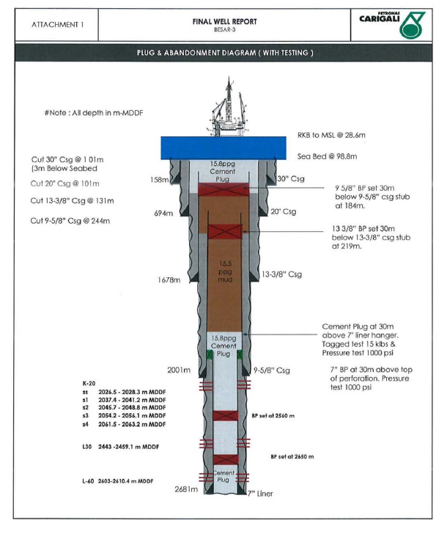
Casing
Casing Shoe Depth (m MD) | Casing Shoe Depth (m TVDDF) | size of casing - inches e.g 13 3/8, 9 5/8

Lithology
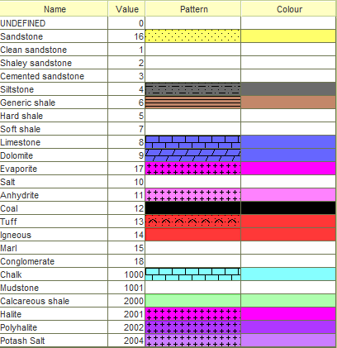
Lithological Information
Depth m (MD) | Lithology description | RokDoc Code
180 | sandstone | 16
223 | sandstone | 16
224 | shale | 6
345 | shale | 6
346 | limestone | 8
354 | limestone | 8
355 | sandstone | 16
,
375 | sandstone | 16
376 | siltstone | 4
395 | siltstone | 4
396 | sandstone | 16
438 | sandstone | 16
439 | shale | 6
789 | shale | 6
790 | sandstone | 16
812 | sandstone | 16
813 | shale | 6
1011 | shale | 6
1012 | sandstone | 16
1025 | sandstone | 16
1026 | siltstone | 4
1045 | siltstone | 4
1046 | sandstone | 16
1063 | sandstone | 16
1064 | shale | 6
1456 | shale | 6
1457 | limestone | 8
1468 | limestone | 8
1469 | shale | 6
1478 | shale | 6
1479 | limestone | 8
1495 | limestone | 8
1496 | shale | 6
2345 | shale | 6

